Precision & Recall
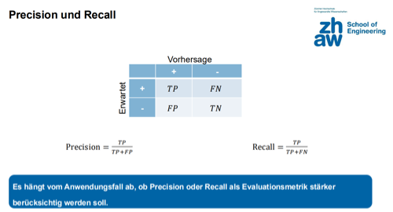
Precision & Recall Matrix |  | Vorhersage
 |  | + | -
Erwartet | + | 500 | 13
 | - | 53 | 100

Total | 666
Accuracy | 0.901
Precision | 0.904
Recall | 0.975
F1-Score | 0.938

